Cover
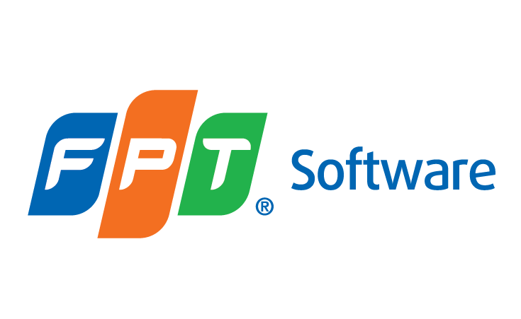

Template

TEST PLAN

 | Document Code | 148e-BM/DE/HDCV/FSOFT
 | Version | 3.3
 | Effective Date | 15-Jul-2022

